Key User questionnaire
 |  | Definition
Level | Knowledge | General | Monitoring | Reporting | Dashboarding | Troubleshooting | Test your knowledge | Comments
0 | Not aware | NO TrendMiner knowledge |  |  |  |  | TrendMiner Quiz | Less than 5 Points (Level 0 - Not aware): If you scored less than 5 points, you are still in Level 0. We recommend starting with our Getting Started videos, where the initial steps in TrendMiner will be demonstrated to you. 5-8 Points (Level 1 - Beginner): Congratulations! You are already a beginner. There is room for improvement, especially in specific value streams to continue with the advanced trainings. 9 -10 Points (Level 2 - Advanced): You are on your way to become an advanced user and can access the more advanced training material. 11 -12 Points (Level 3/4 - Expert/Coach): You already know quite a lot about TrendMiner and can continue to deepen your knowledge even more by attending our monthly online trainings, working on your own value cases, creating reports and present & share them with your colleagues. Continue to motivate and train your colleagues in the use of TrendMiner.
1 | Beginner | • Search and Edit Tags • Navigating Through Time • Build Your Own Tags and Variables - Specific Consumption - Last 24hr. of Production | • Monitor and Tracking of Process Anomalies and Events - Send an email when a certain process condition occurs | • Obtain the Statistics of Your Process - Obtain the statistics of a defined period - Exclude unwanted periods | • Create Your Actionable Dashboard - Create a dashboard with trends and current values - Create a live view of the main variables | • Root Cause Analysis - Evaluate the frequency and impact of an anomaly - Define and compare good and bad periods of operation
2 | Advanced | • Create new KPIs & Variables - Take your formulas to the next level | • Detect, warn and track anomalies & other events - Anomaly detection & Golden Batch | • Get your process statistics - Statistical reporting - ContextHub | • Create actionable dashboard - Control your porcess | • Root Cause analysis - Detecting the undetectable
3 | Expert | Work on your own use cases (ideally at least one use case per key value stream) and create reports/presentations
4 | Coach | Teach/coach other TrendMiner users in TrendMiner and be able to answer TrendMiner-specific questions. Create training tasks based on your own process data to make it easier for other colleagues to get started with TrendMiner and to support them in doing so.

After you have looked at the table above with the different TrendMiner skill levels per Key Value Stream (General, Monitoring, Reporting, Dashboarding, Root Cause Analysis), please enter your name in the orange cell & the skill levels in the green cells so that you can record for yourself where you currently are in terms of knowledge and can then carry out the corresponding training courses for further education.

 | Your Name: | Peter Mustermann
 |  | How would you rate your knowledge in the following Key Value Streams? You can rate from 0 to 4! | What skill level would you like to achieve per Key Value Stream in the future? Enter your desired skill level per Key Value Stream here!
 | General | 1 | 2 |  | 0 - Not aware
 | Monitoring | 1 | 2 |  | 1 - Beginner
 | Reporting | 0 | 1 |  | 2 - Advanced
 | Dashboarding | 2 | 3 |  | 3 - Expert
 | Troubleshooting | 2 | 4 |  | 4 - Coach

In the worksheet of this Excel file "Training material per Key Value" you will find training material for the individual Key Value Stream, so that you can train yourself in order to advance to the next level and ultimately become a TrendMiner Coach!

TrendMiner Skill Level per Key Value Stream

Trainingsmaterial per Key Value
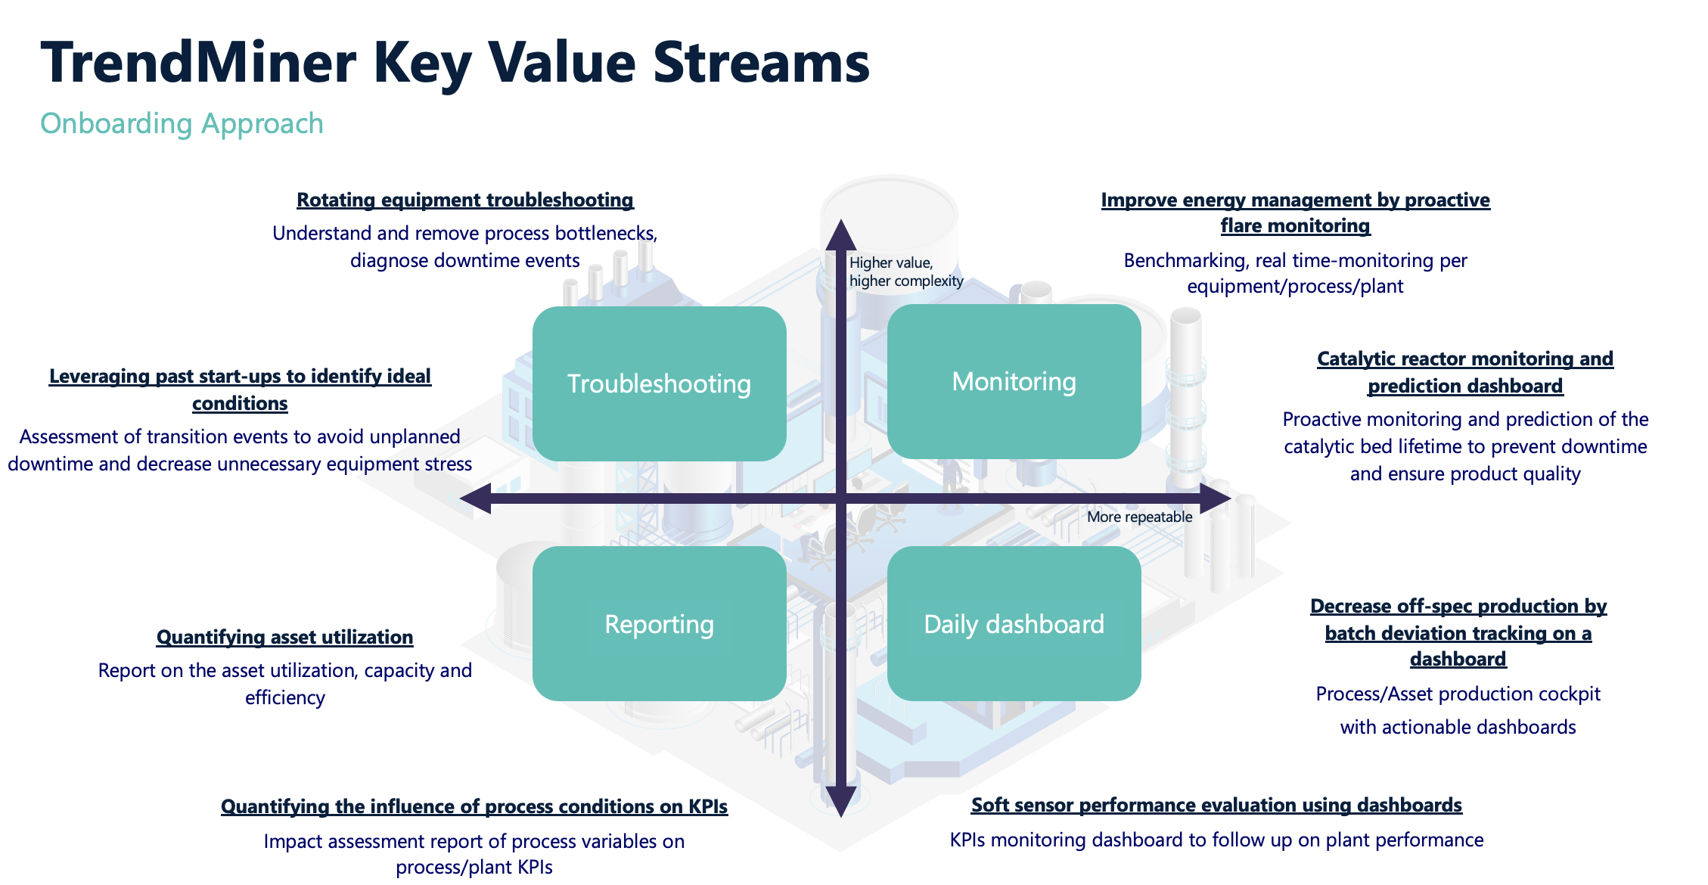
 |  | Definition
Level | Knowledge | General | Monitoring | Reporting | Dashboarding | Troubleshooting | Guides | Comment
0 | Not aware | Getting Started |  |  |  |  | Fundamentals Recording - Day 1
 |  |  |  |  |  |  | Fundamentals Recording - Day 2
1 | Beginner | • General Introduction | • Monitor and Tracking of Process Anomalies and Events | • Obtain the Statistics of Your Process | • Create Your Actionable Dashboard | • Root Cause Analysis | Basic Guide
 |  | • Search and Edit Tags | - Send an email when a certain process condition occurs | - Obtain the statistics of a defined period | - Create a dashboard with trends and current values | - Evaluate the frequency and impact of an anomaly
 |  | • Navigating Through Time |  | - Exclude unwanted periods | - Create a live view of the main variables | - Define and compare good and bad periods of operation
 |  | • Build Your Own Tags and Variables
 |  | - Specific Consumption
 |  | - Last 24hr. of Production
2 | Advanced | • Create new KPIs & Variables Take your formulas to the next level | • Detect, warn and track anomalies & other events | • Get your process statistics | • Create actionable dashboard | • Root Cause Analysis Detecting the undetectable
 |  | Take your formulas to the next level | - Mastering anomaly detection | - Statistical reporting tricks | - Control your process better than you ever dreamed of | - Detecting the undetectable
 |  |  | - Craft and adopt your golden batch | - Seize team synergie, save time and energy - The ContextHub method
3 | Expert | TrendMiner Online Training for expert user once a month Working on own Use Case using all functionalities and create report/presentation |  |  |  |  | Website with all upcoming trainings and webinars | Once you have reached the expert level, contact your TrendMiner contact person in the company or the responsible TrendMiner Customer Success Manager so that you can be supported on your way to becoming an Expert user
4 | Coach | No trainings material => Being able to teach other TrendMiner user in TrendMiner & answer TrendMiner specific questions |  |  |  |  | Inspirational Use Cases | Once you have reached the coach level, contact your TrendMiner contact person in the company or the responsible TrendMiner Customer Success Manager so that you can be supported on your way to becoming a TrendMiner Coach

